IJO2018

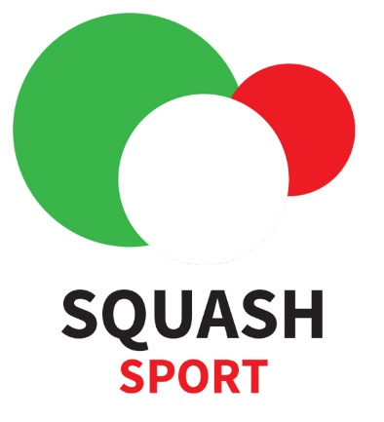
 | ITALIAN JUNIOR OPEN 2018 |  |  |  | National Association
 | ENTRY - HOTEL - TRAVEL FORM

 | NATIONAL ASSOCIATION CONTACT
 | Surname | Name |  | E-mail |  |  |  | Mobile

 | RESPONSIBLE PERSON
 | Surname | Name |  | E-mail |  |  |  | Mobile

GROUP
Entry Details |  |  |  |  |  |  |  |  | Arrival |  |  | Departure |  |  | Room
Surname |  | Name | Birth Date (dd.mm.yy) | Spin | Sex | National Ranking | T-shirt size | Package | Date (dd.mm.yy) | Time (13:30) | Flight / Train No. | Date (dd.mm.yy) | Time (13:30) | Flight / Train No. | Sharing With | Type

1 |  |  |  |  |  |  | -- |  |  |  |  |  |  |  |  | --
2 |  |  |  |  |  |  | -- |  |  |  |  |  |  |  |  | --
3 |  |  |  |  |  |  | -- |  |  |  |  |  |  |  |  | --
4 |  |  |  |  |  |  | -- |  |  |  |  |  |  |  |  | --
5 |  |  |  |  |  |  | -- |  |  |  |  |  |  |  |  | --
6 |  |  |  |  |  |  | -- |  |  |  |  |  |  |  |  | --
7 |  |  |  |  |  |  | -- |  |  |  |  |  |  |  |  | --
8 |  |  |  |  |  |  | -- |  |  |  |  |  |  |  |  | --
9 |  |  |  |  |  |  | -- |  |  |  |  |  |  |  |  | --
10 |  |  |  |  |  |  | -- |  |  |  |  |  |  |  |  | --
11 |  |  |  |  |  |  | -- |  |  |  |  |  |  |  |  | --
12 |  |  |  |  |  |  | -- |  |  |  |  |  |  |  |  | --
13 |  |  |  |  |  |  | -- |  |  |  |  |  |  |  |  | --
14 |  |  |  |  |  |  | -- |  |  |  |  |  |  |  |  | --
15 |  |  |  |  |  |  | -- |  |  |  |  |  |  |  |  | --
16 |  |  |  |  |  |  | -- |  |  |  |  |  |  |  |  | --
17 |  |  |  |  |  |  | -- |  |  |  |  |  |  |  |  | --
18 |  |  |  |  |  |  | -- |  |  |  |  |  |  |  |  | --
19 |  |  |  |  |  |  | -- |  |  |  |  |  |  |  |  | --
20 |  |  |  |  |  |  | -- |  |  |  |  |  |  |  |  | --
21 |  |  |  |  |  |  | -- |  |  |  |  |  |  |  |  | --
22 |  |  |  |  |  |  | -- |  |  |  |  |  |  |  |  | --

This form must be emailed to ijo2018@federsquash.it

PACKAGE INFORMATION - See full details on the invitation form or on the official tournament website www.federsquash.it/italian-junior-open

Tournament Package 1
The package fee is Eur 220,00 per person which includes the entry fee, tournament t-shirt, 3 nights hotel accommodation (Thursday,Friday and Saturday) with breakfast, and transport from/to Hotel-Venue.
For accompanying persons (coaches, parents, etc.) is Eur 205,00.

Option A (Only for those that have booked Package 1)
You're free to choose 3 meals (lunch or dinner) at the hotel restaurant.
The cost of this option is € 30,00 per person

Option B (Only for those that have booked Package 1)
You've 5 meals (lunch - dinner) at the hotel restaurant
The cost of this option is € 50,00 per person

Tournament only Eur 52,00 (includes tournament t-shirt) - Extra night in the hotel (including breakfast) Eur 60,00 per person per night - Single room supplement Eur 36,00 per night

The event complies with the ESF Junior Circuit guidelines, a copy of which is available on the ESF website www.europeansquash.com;
all participating MNAs should make sure that all relevant people (including coaches, managers and players) are aware of the Guidelines and their requirements.

 |  |  |  |  | -- |  | -- | 0 |  |  |  |  |  |  |  | --
 |  |  |  |  | Male |  | XS | 1 |  |  |  |  |  |  |  | double
 |  |  |  |  | Female |  | S | 1 + Opt.A |  |  |  |  |  |  |  | triple
 |  |  |  |  |  |  | M | 1 + Opt. B |  |  |  |  |  |  |  | Single
 |  |  |  |  |  |  | L | Only Entry
 |  |  |  |  |  |  | XL

